Assessment Tables
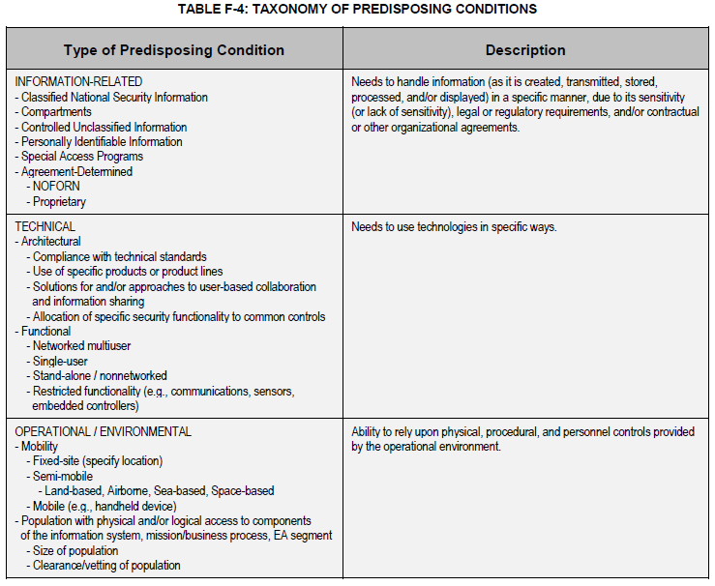
Vulnerability Severity or Predisposing Condition Pervasiveness
Qualitative Values | Description
Very High | Vulnerability is exposed and exploitable, and its exploitation could result in severe impacts. Relevant security control or other remediation is not implemented and not planned; or no security measure can be identified to remediate the vulnerability.
 | or
 | Predisposing condition applies to all organizational missions/business functions (Tier 1), mission/business processes (Tier 2), or information systems (Tier 3).
High | Vulnerability is of high concern, based on the exposure of the vulnerability and ease of exploitation and/or on the severity of impacts that could result from its exploitation. Relevant security control or other remediation is planned but not implemented; compensating controls are in place and at least minimally effective.
 | or
 | Predisposing condition applies to most organizational missions/business functions (Tier 1), mission/business processes (Tier 2), or information systems (Tier 3).
Moderate | Vulnerability is of moderate concern, based on the exposure of the vulnerability and ease of exploitation and/or on the severity of impacts that could result from its exploitation. Relevant security control or other remediation is partially implemented and somewhat effective.
 | or
 | Predisposing condition applies to many organizational missions/business functions (Tier 1), mission/business processes (Tier 2), or information systems (Tier 3).
Low | The vulnerability is of minor concern, but effectiveness of remediation could be improved. Relevant security control or other remediation is fully implemented and somewhat effective.
 | or
 | Predisposing condition applies to some organizational missions/business functions (Tier 1), mission/business processes (Tier 2), or information systems (Tier 3).
Very Low | The vulnerability is not of concern. Relevant security control or other remediation is fully implemented, assessed, and effective.
 | or
 | Predisposing condition applies to few organizational missions/business functions (Tier 1), mission/business processes (Tier 2), or information systems (Tier 3).

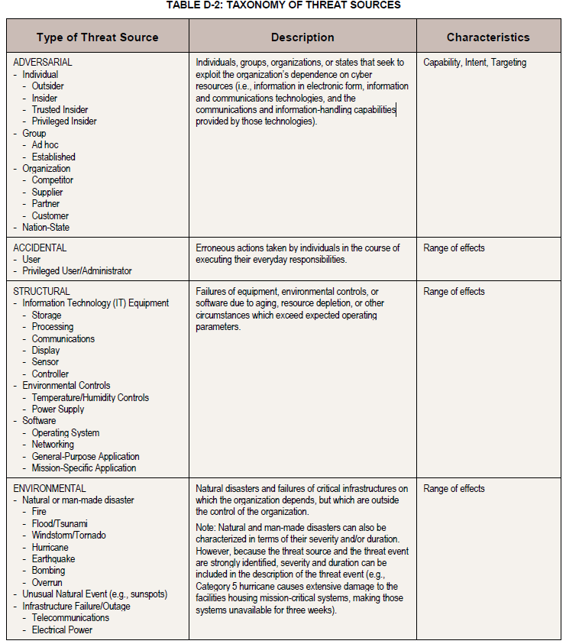
Relevance of Threat Table
Qualitative Values | Description
Very High | Threat event or TTP has been seen by the organization. Confirmed, and…
 | Adversarial: The adversary has a very sophisticated level of expertise, is well-resourced, and can generate opportunities to support multiple successful, continuous, and coordinated attacks. The adversary seeks to undermine, severely impede, or destroy a core mission or business function, program, or enterprise by exploiting a presence in the organization’s information systems or infrastructure. The adversary is concerned about disclosure of tradecraft only to the extent that it would impede its ability to complete stated goals. The adversary analyzes information obtained via reconnaissance and attacks to target persistently a specific organization, enterprise, program, mission or business function, focusing on specific high-value or mission-critical information, resources, supply flows, or functions; specific employees or positions; supporting infrastructure providers/suppliers; or partnering organizations.
 | or
 | Non-adversarial: The effects of the error, accident, or act of nature are sweeping, involving almost all of the cyber resources of the [Tier 3: information systems; Tier 2: mission/business processes or EA segments, common infrastructure, or support services; Tier 1: organization/governance structure].
High | Threat event or TTP has been seen by the organization’s peers or partners. Expected, and…
 | Adversarial: The adversary has a sophisticated level of expertise, with significant resources and opportunities to support multiple successful coordinated attacks. The adversary seeks to undermine/impede critical aspects of a core mission or business function, program, or enterprise, or place itself in a position to do so in the future, by maintaining a presence in the organization’s information systems or infrastructure. The adversary is very concerned about minimizing attack detection/disclosure of tradecraft, particularly while preparing for future attacks. The adversary analyzes information obtained via reconnaissance to target persistently a specific organization, enterprise, program, mission or business function, focusing on specific high-value or mission-critical information, resources, supply flows, or functions, specific employees supporting those functions, or key positions.
 | or
 | Non-adversarial: The effects of the error, accident, or act of nature are extensive, involving most of the cyber resources of the [Tier 3: information systems; Tier 2: mission/business processes or EA segments, common infrastructure, or support services; Tier 1: organization/governance structure], including many critical resources.
Moderate | Threat event or TTP has been reported by a trusted source. Anticipated, and...
 | Adversarial: The adversary has moderate resources, expertise, and opportunities to support multiple successful attacks. The adversary seeks to obtain or modify specific critical or sensitive information or usurp/disrupt the organization’s cyber resources by establishing a foothold in the organization’s information systems or infrastructure. The adversary is concerned about minimizing attack detection/disclosure of tradecraft, particularly when carrying out attacks over long time periods. The adversary is willing to impede aspects of the organization’s missions/business functions to achieve these ends. The adversary analyzes publicly available information to target persistently specific high-value organizations (and key positions, such as Chief Information Officer), programs, or information.
 | or
 | Non-adversarial: The effects of the error, accident, or act of nature are wide-ranging, involving a significant portion of the cyber resources of the [Tier 3: information systems; Tier 2: mission/business processes or EA segments, common infrastructure, or support services; Tier 1: organization/governance structure], including some critical resources.
Low | Threat event or TTP has been predicted by a trusted source. Predicted, and…
 | Adversarial: The adversary has limited resources, expertise, and opportunities to support a successful attack. The adversary actively seeks to obtain critical or sensitive information or to usurp/disrupt the organization’s cyber resources, and does so without concern about attack detection/disclosure of tradecraft. The adversary uses publicly available information to target a class of high-value organizations or information, and seeks targets of opportunity within that class.
 | or
 | Non-adversarial: The effects of the error, accident, or act of nature are limited, involving some of the cyber resources of the [Tier 3: information systems; Tier 2: mission/business processes or EA segments, common infrastructure, or support services; Tier 1: organization/governance structure], but involving no critical resources.
Very Low | Threat event or TTP has been described by a somewhat credible source. Possible, and...
 | Adversarial: The adversary has very limited resources, expertise, and opportunities to support a successful attack. The adversary seeks to usurp, disrupt, or deface the organization’s cyber resources, and does so without concern about attack detection/disclosure of tradecraft. The adversary may or may not target any specific organizations or classes of organizations.
 | or
 | Non-adversarial: The effects of the error, accident, or act of nature are minimal, involving few if any of the cyber resources of the [Tier 3: information systems; Tier 2: mission/business processes or EA segments, common infrastructure, or support services; Tier 1: organization/governance structure], and involving no critical resources.

Impact Table
Qualitative Values | Impact of Threat Events
Very High | The threat event could be expected to have multiple severe or catastrophic adverse effects.
High | The threat event could be expected to have a severe or catastrophic adverse effect. For example, the threat event might: (i) cause a severe degradation in or loss of mission capability to an extent and duration that the organization is not able to perform one or more of its primary functions; (ii) result in major damage to organizational assets; (iii) result in major financial loss; or (iv) result in severe or catastrophic harm to individuals involving loss of life or serious life-threatening injuries.
Moderate | The threat event could be expected to have a serious adverse effect. For example, the threat event might: (i) cause a significant degradation in mission capability to an extent and duration that the organization is able to perform its primary functions, but the effectiveness of the functions is significantly reduced; (ii) result in significant damage to organizational assets; (iii) result in significant financial loss; or (iv) result in significant harm to individuals that does not involve loss of life or serious life-threatening injuries.
Low | The threat event could be expected to have a limited adverse effect. For example, the threat event might: (i) cause a degradation in mission capability to an extent and duration that the organization is able to perform its primary functions, but the effectiveness of the functions is noticeably reduced; (ii) result in minor damage to organizational assets; (iii) result in minor financial loss; or (iv) result in minor harm to individuals.
Very Low | The threat event could be expected to have a negligible adverse effect.

